通用转接板线位图
Line bitmap（From left to right）

 | Serial number | 1 | 2 | 3 | 4 | 5 | 6 | 7 | 8 | 9 | 10 | 11 | 12 | 13 | 14 | 15 | 16 | 17 | 18 | 19 | 20 | 21 | 22 | 23 | 24 | 25 | 26 | 27 | 28 | 29 | 30 | 31 | 32 | 33 | 34 | 35 | 36 | 37 | 38 | 39 | 40 | 41 | 42 | 43 | 44 | 45 | 46 | 47 | 48 | 49 | 50 | 51 | 52 | 53 | 54 | 55 | 56 | 57 | 58 | 59 | 60
1st board | 1st line | 2 | 4 | G | 6 | G | 8 | G | 10 | G | 12 | G | 14 | G | 16 | G | 18 | G | 20 | G | 22 | G | 24 | G | 26 | G | 28 | G | 30 | G | 32 | 66 | G | 68 | G | 70 | G | 72 | G | 74 | G | 76 | G | 78 | G | 80 | G | 82 | G | 84 | G | 86 | G | 88 | G | 90 | G | 92 | G | 94 | 96
 | 2nd line | 34 | 36 | G | 38 | G | 40 | G | 42 | G | 44 | G | 46 | G | 48 | G | 50 | G | 52 | G | 54 | G | 56 | G | 58 | G | 60 | G | 62 | G | 64 | 98 | G | 100 | G | 102 | G | 104 | G | 106 | G | 108 | G | 110 | G | 112 | G | 114 | G | 116 | G | 118 | G | 120 | G | 122 | G | 124 | G | 126 | 128

 | 序号 | 1 | 2 | 3 | 4 | 5 | 6 | 7 | 8 | 9 | 10 | 11 | 12 | 13 | 14 | 15 | 16 | 17 | 18 | 19 | 20 | 21 | 22 | 23 | 24 | 25 | 26 | 27 | 28 | 29 | 30 | 31 | 32 | 33 | 34 | 35 | 36 | 37 | 38 | 39 | 40 | 41 | 42 | 43 | 44 | 45 | 46 | 47 | 48 | 49 | 50 | 51 | 52 | 53 | 54 | 55 | 56 | 57 | 58 | 59 | 60
2nd board | 1st line | 95 | 93 | G | 91 | G | 89 | G | 87 | G | 85 | G | 83 | G | 81 | G | 79 | G | 77 | G | 75 | G | 73 | G | 71 | G | 69 | G | 67 | G | 65 | 31 | G | 29 | G | 27 | G | 25 | G | 23 | G | 21 | G | 19 | G | 17 | G | 15 | G | 13 | G | 11 | G | 9 | G | 7 | G | 5 | G | 3 | 1
 | 2nd line | 127 | 125 | G | 123 | G | 121 | G | 119 | G | 117 | G | 115 | G | 113 | G | 111 | G | 109 | G | 107 | G | 105 | G | 103 | G | 101 | G | 99 | G | 97 | 63 | G | 61 | G | 59 | G | 57 | G | 55 | G | 53 | G | 51 | G | 49 | G | 47 | G | 45 | G | 43 | G | 41 | G | 39 | G | 37 | G | 35 | 33

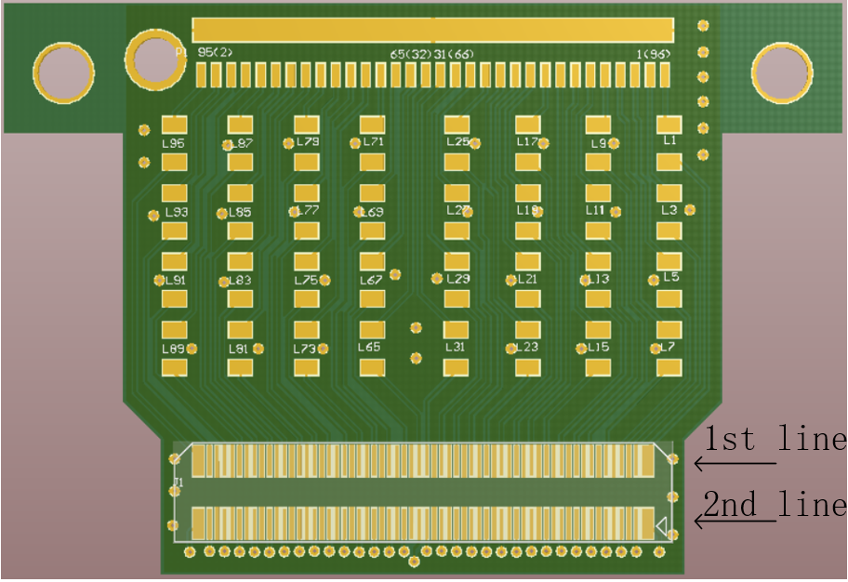

Note: 1st and 2nd board have markings on the board.

